Show
Product | Article | Desciption | UM | Pieces | RRP. | Totale RRP.
 | 10-121-SBRS-0001 | SHOW LUX Volume Lotion 150ml | pz | 42 | € 54.00 | € 2,268.00
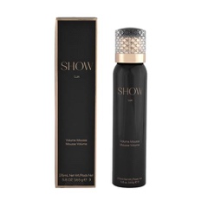 | 10-121-SBRS-0002 | SHOW LUX Volume Mousse 165g | pz | 29 | € 40.00 | € 1,160.00
 | 10-121-SBRS-0005 | SHOW PREMIERE Working Texture Spray 225g | pz | 23 | € 40.00 | € 920.00
 | 10-121-SBRS-0006 | SHOW PREMIERE Dry Shampoo 165g | pz | 69 | € 40.00 | € 2,760.00
 | 10-121-SBRS-0007 | SHOW DIVINE Thickening Mist 150ml | pz | 10 | € 47.00 | € 470.00
 | 10-121-SBRS-0008 | SHOW LUX Volume Mist 150ml | pz | 22 | € 47.00 | € 1,034.00
 | 10-121-SBRS-0010 | SHOW DIVINE Thickening Lotion 150ml | pz | 33 | € 54.00 | € 1,782.00
 | 10-121-SBRS-0011 | SHOW DECADENCE Hair Fragrance 30ml | pz | 124 | € 74.00 | € 9,176.00
 | 10-121-SBRS-0014 | SHOW GROOMING Balm 150ml | pz | 40 | € 47.00 | € 1,880.00
 | 10-121-SBRS-0015 | SHOW CURL Enhancing Lotion 150ml | pz | 16 | € 47.00 | € 752.00
 | 10-121-SBRS-0017 | SHOW PREMIERE Dry Shampoo 50ml MINI | pz | 127 | € 21.00 | € 2,667.00
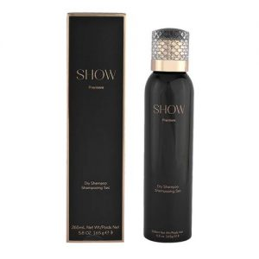 | 10-121-SBRS-0018 | SHOW PREMIERE Finishing Spray 50ml MINI | pz | 175 | € 21.00 | € 3,675.00
 | 10-121-SBRS-0022 | SHOW ALLURE Shimmer Body Oil 60ml | pz | 155 | € 47.00 | € 7,285.00
 | 10-121-SBRS-0023 | SHOW LUX Volume Shampoo 200ml | pz | 272 | € 40.00 | € 10,880.00
 | 10-121-SBRS-0024 | SHOW LUX Volume Conditioner 200ml | pz | 433 | € 40.00 | € 17,320.00
 | 10-121-SBRS-0025 | SHOW RICHE Leave In Treatment 150ml | pz | 163 | € 47.00 | € 7,661.00
 | 10-121-SBRS-0026 | SHOW PURE Moisture Shampoo 200ml | pz | 285 | € 37.50 | € 10,687.50
 | 10-121-SBRS-0028 | SHOW PURE Moisture Treatment 200ml | pz | 273 | € 47.00 | € 12,831.00
 | 10-121-SBRS-0029 | SHOW SUBLIME Repair Shampoo 200ml | pz | 215 | € 43.00 | € 9,245.00
 | 10-121-SBRS-0030 | SHOW SUBLIME Repair Conditioner 200ml | pz | 139 | € 43.00 | € 5,977.00
 | 10-121-SBRS-0031 | SHOW SUBLIME Repair Treatment 200ml | pz | 86 | € 54.00 | € 4,644.00
 | 10-121-SBRS-0033 | SHOW PURE Moisture Sh. Backwash 900ml | pz | 36 | € 93.00 | € 3,348.00
 | 10-121-SBRS-0034 | SHOW PURE Moisture Cond. Backwash 900ml | pz | 37 | € 93.00 | € 3,441.00
NO IMAGE | 10-121-SBRS-0035 | SHOW LUX Volume Sh. Backwash 900ml | pz | 40 | € 93.00 | € 3,720.00
NO IMAGE | 10-121-SBRS-0036 | SHOW LUX Volume Cond. Backwash 900ml | pz | 82 | € 93.00 | € 7,626.00
 | TOTALI |  |  | 2,926 |  | € 133,209.50

